Naïve
 | Demand | Forecast
1 | 37
2 | 60 | 37
3 | 85 | 60
4 | 112 | 85
5 | 132 | 112
6 | 145 | 132
7 | 179 | 145
8 | 198 | 179
9 | 212 | 198
10 | 232 | 212
11 |  | 232
12 |  | 232
13 |  | 232
Historical period
Date | Demand | Forecast
1 | 37
2 | 60 | 37
3 | 85 | 60
4 | 112 | 85
5 | 132 | 112
6 | 145 | 132
7 | 179 | 145
8 | 198 | 179
9 | 212 | 198
10 | 232 | 212
Future
11 |  | 232
12 |  | 232
13 |  | 232

 |  |  | 46
 |  |  | 49
 |  |  | 46
 |  |  | 42
 |  |  | 48
 |  |  | 42
 |  |  | 43
 |  |  | 50
 |  |  | 43
 |  |  | 40

Moving Average
 | Demand | Forecast (n=3) | Forecast (n=2) | Forecast (n=5)
 | 37
 | 60
 | 85 |  | 49
 | 112 | 61 | 73
 | 132 | 86 | 99
 | 145 | 110 | 122 | 85
 | 179 | 130 | 139 | 107
 | 198 | 152 | 162 | 131
 | 212 | 174 | 189 | 153
 | 232 | 196 | 205 | 173
 |  | 214 | 222 | 193
 |  | 214 | 222 | 193
 |  | 214 | 222 | 193
Historical period
Date | Demand | Forecast (n=3) | Forecast (n=2) | Forecast (n=5) | n=3
1 | 37
2 | 60
3 | 85 |  | 49
4 | 112 | 61 | 73
5 | 132 | 86 | 99
6 | 145 | 110 | 122 | 85
7 | 179 | 130 | 139 | 107
8 | 198 | 152 | 162 | 131
9 | 212 | 174 | 189 | 153
10 | 232 | 196 | 205 | 173
Future
11 |  | 214 | 222 | 193
12 |  | 214 | 222 | 193
13 |  | 214 | 222 | 193

Prendre les n mois avant et faire la moyenne de ceux ci
f(k) = moyenne( d(k-5), d(k-4), d(k-3), d(k-2), d(k-1))
Si on n'a plus les demand (si on veut forecast plus loin, on reprend la dernière valuer forecastée

Moving Average (2)
 | Demand | Forecast (n=3) | Forecast (n=2) | Forecast (n=5)
 | 133
 | 135
 | 125 |  | 134
 | 128 | 131 | 130
 | 132 | 129 | 127
 | 127 | 128 | 130 | 131
 | 125 | 129 | 130 | 129
 | 128 | 128 | 126 | 127
 | 134 | 127 | 127 | 128
 | 126 | 129 | 131 | 129
 |  | 129 | 130 | 128
 |  | 129 | 130 | 128
 |  | 129 | 130 | 128
Historical period
Date | Demand | Forecast (n=3) | Forecast (n=2) | Forecast (n=5) | Abs Error | Abs Error | Abs Error
1 | 133
2 | 135
3 | 125 |  | 134 |  |  | 9
4 | 128 | 131 | 130 |  | 3 | 2
5 | 132 | 129 | 127 |  | 3 | 6
6 | 127 | 128 | 130 | 131 | 1 | 3 | 4
7 | 125 | 129 | 130 | 129 | 4 | 5 | 4
8 | 128 | 128 | 126 | 127 | - | 2 | 1
9 | 134 | 127 | 127 | 128 | 7 | 8 | 6
10 | 126 | 129 | 131 | 129 | 3 | 5 | 3
Future
11 |  | 129 | 130 | 128
12 |  | 129 | 130 | 128
13 |  | 129 | 130 | 128
 |  |  |  |  | 3.0 | 4.8 | 3.6
 |  |  |  |  | Mean Abs. Error

Pareil que moving average
- Ici on check aussi la MAE (Mean Absolute Error)
- On calcule la différence entre les demand et forecast, puis on average (c'est tout con)

Simple
Date | Demand | Forecast | Alpha: | 0.20
1 | 37 | 37
2 | 60 | 37
3 | 85 | 42
4 | 112 | 50
5 | 132 | 63
6 | 145 | 76
7 | 179 | 90
8 | 198 | 108
9 | 212 | 126
10 | 232 | 143
11 |  | 161
12 |  | 161
13 |  | 161

Appliquer la formule
- f(t+1) = alpha * d(t) + (1- alpha) * f(t)
On peut faire varier alpha c'est cool

Double
Date | Demand | Forecast | Level (a) | Trend (b) | Alpha: | 30%
1 | 37 |  | 37 | 23 | Beta: | 40%
2 | 60 | 60 | 60 | 23
 | Demand | Forecast
 | 37
 | 60 | 60
 | 85 | 83
 | 112 | 107
 | 132 | 132
 | 145 | 156
 | 179 | 175
 | 198 | 199
 | 212 | 222
 | 232 | 240
 |  | 259
 |  | 279
 |  | 300
3 | 85 | 83 | 84 | 23
4 | 112 | 107 | 108 | 24
5 | 132 | 132 | 132 | 24
6 | 145 | 156 | 153 | 23
7 | 179 | 175 | 176 | 23
8 | 198 | 199 | 199 | 23
9 | 212 | 222 | 219 | 22
10 | 232 | 240 | 238 | 21
11 |  | 259
12 |  | 279
13 |  | 300

Double exponential smoothing
a(t) = alpha * d(t) + (1-alpha) (a(t-1) + b(t-1)
b(t) = beta *(a(t)-a(t-1)) + (1-beta) b(t-1)
f(t+1) = a(t)+ b(t)
Et pour forecast plus loin: (a lambda + loin)
f(t+lambda) = a(t) + lambda* b(t)

Damped
 | Demand | Forecast
 | 37
 | 70 | 63
 | 100 | 87
 | 125 | 110
 | 137 | 131
 | 150 | 146
 | 160 | 159
 | 168 | 168
 | 173 | 176
 | 178 | 180
 |  | 184
Date | Demand | Forecast | Level (a) | Trend (b) | Alpha: | 30%
1 | 37 |  | 37 | 33 | Beta: | 40% | 37 | 6
2 | 70 | 63 | 65 | 27 | Phi: | 80% | 7
3 | 100 | 87 | 91 | 23 |  |  | 13
4 | 125 | 110 | 114 | 20 |  |  | 15
5 | 137 | 131 | 133 | 17 |  |  | 6
6 | 150 | 146 | 147 | 14 |  |  | 4
7 | 160 | 159 | 159 | 11 |  |  | 1
8 | 168 | 168 | 168 | 9 |  |  | 0
9 | 173 | 176 | 175 | 7 | 37 | 37 | 3
10 | 178 | 180 | 180 | 5 | 70 | 60 | 2
11 |  | 184 |  |  | 100 | 85
12 |  | 187 |  |  | 125 | 112
13 |  | 190 |  |  | 137 | 132
 |  |  |  |  | 150 | 145
 |  |  |  |  | 160 | 179
 |  |  |  |  | 168 | 198
 |  |  |  |  | 173 | 212
Double exponential smoothing (with damping factor)
- Same mais à chaque fois que b apparait, on lui tape un * phi
a(t) = alpha * d(t)+ (1-alpha) (a(t-1) + phi * b(t-1))
b(t) = beta *(a(t)-a(t-1)) + (1-beta)* phi * b(t-1)
f(t+1) = a(t)+ phi * b(t)
Et pour forecast plus loin: (a lambda + loin)
f(t+lambda) = a(t) + b(t) * Somme_i=1 jusque lambda phi^i
 |  |  |  |  | 178 | 232

Multiplicative
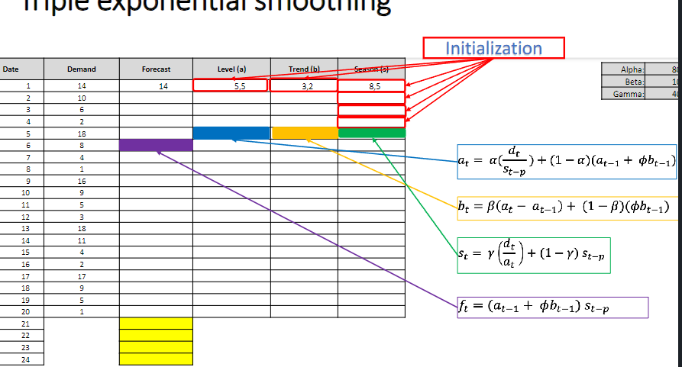
Season | Period per season | Date | Demand | Forecast | Level (a) | Trend (b) | Season (s) | Alpha: | 80%
1 | 1 | 1 | 14 |  | 6.9 | 1.8 | 2.04 | Beta: | 10%
1 | 2 | 2 | 10 |  | 8.7 | 1.8 | 1.15 | Gamma: | 40%
 | Demand | Forecast
 | 14
 | 10
 | 6
 | 2
 | 18 | 23
 | 8 | 12
 | 4 | 5
 | 1 | 2
 | 16 | 12
 | 9 | 9
 | 5 | 5
 | 3 | 2
 | 18 | 30
 | 11 | 12
 | 4 | 6
 | 2 | 2
 | 17 | 18
 | 9 | 10
 | 5 | 5
 | 1 | 2
 |  | 11
 |  | 6
 |  | 3
 |  | 1
1 | 3 | 3 | 6 |  | 10.2 | 1.8 | 0.59
1 | 4 | 4 | 2 |  | 9.6 | 1.5 | 0.22
2 | 1 | 5 | 18 | 23 | 9.3 | 1.3 | 2.00
2 | 2 | 6 | 8 | 12 | 7.7 | 1.1 | 1.11
2 | 3 | 7 | 4 | 5 | 7.2 | 0.9 | 0.58
2 | 4 | 8 | 1 | 2 | 5.2 | 0.6 | 0.21
3 | 1 | 9 | 16 | 12 | 7.6 | 0.8 | 2.04
3 | 2 | 10 | 9 | 9 | 8.2 | 0.8 | 1.11
3 | 3 | 11 | 5 | 5 | 8.7 | 0.7 | 0.57
3 | 4 | 12 | 3 | 2 | 13.4 | 1.1 | 0.21
4 | 1 | 13 | 18 | 30 | 10.0 | 0.7 | 1.95
4 | 2 | 14 | 11 | 12 | 10.1 | 0.6 | 1.10
4 | 3 | 15 | 4 | 6 | 7.7 | 0.3 | 0.55
4 | 4 | 16 | 2 | 2 | 9.0 | 0.4 | 0.22
5 | 1 | 17 | 17 | 18 | 8.9 | 0.4 | 1.93
5 | 2 | 18 | 9 | 10 | 8.4 | 0.3 | 1.09
5 | 3 | 19 | 5 | 5 | 9.0 | 0.3 | 0.55
5 | 4 | 20 | 1 | 2 | 5.5 | -0.1 | 0.20
6 | 1 | 21 |  | 11
6 | 2 | 22 |  | 6
6 | 3 | 23 |  | 3
6 | 4 | 24 |  | 1

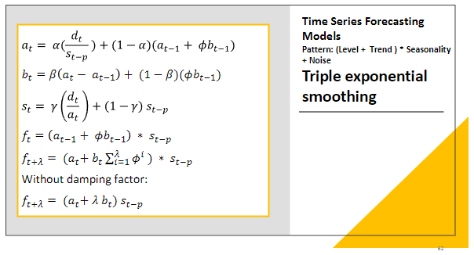

Multiplicative decomposition
- Calcul du a et b similaire au précédents
a(t) = alpha * d(t)/s(t-p) + (1-alpha) (a(t-1) + phi * b(t-1))
b(t) = beta *(a(t)-a(t-1)) + (1-beta)* phi * b(t-1)
Sauf que pour le forecast, on va multiplier par la saisonalité
f(t+1) = (a(t)+ phi * b(t)) * s(t-p)
Calcul de la saisonalité initial, si p elements par saison) - pour les p premiers
s(t) = Moyenne(s(t+i*p))/Moyenne(s(t))
Saisonalité après ( t > p)
s(t) = gamma * d(t)/a(t) + (1-gamma) * s(t-p)
Pattern = (Level + Trend) * seasonality

Additive
Date | Demand | Forecast | Level (a) | Trend (b) | Season (s) | Alpha: | 80% | P=4
1 | 14 |  | 5.5 | 3.2 | 8.5 | Beta: | 10%
2 | 10 | 10 | 8.7 | 3.2 | 1.3 | Gamma: | 40%
 | Demand | Forecast
 | 14
 | 10 | 10
 | 6 | 8
 | 2 | 6
 | 18 | 20
 | 8 | 14
 | 4 | 6
 | 1 | 3
 | 16 | 18
 | 9 | 10
 | 5 | 6
 | 3 | 4
 | 18 | 19
 | 11 | 12
 | 4 | 8
 | 2 | 3
 | 17 | 18
 | 9 | 10
 | 5 | 5
 | 1 | 3
 |  | 16
 |  | 9
 |  | 5
 |  | 3
3 | 6 | 8 | 9.9 | 3.0 | -3.4
4 | 2 | 6 | 9.3 | 2.6 | -6.4
5 | 18 | 20 | 10.0 | 2.4 | 8.3
6 | 8 | 14 | 7.8 | 2.0 | 0.8
7 | 4 | 6 | 7.9 | 1.8 | -3.6
8 | 1 | 3 | 7.9 | 1.6 | -6.6
9 | 16 | 18 | 8.0 | 1.5 | 8.2
10 | 9 | 10 | 8.4 | 1.4 | 0.7
11 | 5 | 6 | 8.8 | 1.3 | -3.7
12 | 3 | 4 | 9.7 | 1.2 | -6.6
13 | 18 | 19 | 10.1 | 1.1 | 8.1
14 | 11 | 12 | 10.5 | 1.1 | 0.7
15 | 4 | 8 | 8.5 | 0.8 | -4.0
16 | 2 | 3 | 8.7 | 0.7 | -6.7
17 | 17 | 18 | 9.0 | 0.7 | 8.0
18 | 9 | 10 | 8.6 | 0.6 | 0.6
19 | 5 | 5 | 9.0 | 0.5 | -4.0
20 | 1 | 3 | 8.1 | 0.4 | -6.8
21 |  | 16 | 8.4 | 0.4 | 8.0
Additive decomposition avec periode p
Pour t = 1 -> p:
s(t) = arrondi(moyenne(t+p) - moyenne tot)
a(t) = alpha* (d(t)-s(t)) + (1-alpha) * (a(t-1) + b(t-1))
b(t) = beta * (a(t)-a(t-1)) + (1-beta) * b(t-1)
Calcul du a et b pour les autres t
a(t) = alpha * (d(t)-s(t-p)) + (1-alpha) * (a(t-1)+b(t-1))
b(t) = beta * (a(t)-a(t-1)) + (1-beta) * b(t-1)
s(t) = gamma * (d(t)-a(t)) + (1-gamma) * s(t-p)
à la fin:
- s(t) = s(t-p)
- a(t+1) = a(t)+b(t)
- b(t+1) = b(t)
Forecast
f(t) = a(t-1) + b(t-1) + s(t-p)
22 |  | 9 | 8.8 | 0.4 | 0.6
23 |  | 5 | 9.2 | 0.4 | -4.0
24 |  | 3 | 9.6 | 0.4 | -6.8

Simple linear Reg
Quarter | Number of Housing Starts (0,000 units) (x) | Sales (US$000,000) (y) | x² | xy | Avg x | Avg y | n
1 | 1 | 2.0 | 1 | 2.000 | 3.5 | 3.3 | 8
2 | 3 | 3.0 | 9 | 9.000
3 | 2 | 2.4 | 4 | 4.800 |  |  |  |  | SUMMARY OUTPUT
4 | 3 | 3.1 | 9 | 9.300
5 | 4 | 3.7 | 16 | 14.800 |  |  |  |  | Regression Statistics
6 | 6 | 4.5 | 36 | 27.000 |  |  |  |  | Multiple R | 0.99443480053
7 | 5 | 4.0 | 25 | 20.000 |  |  |  |  | R Square | 0.9889005725
8 | 4 | 3.5 | 16 | 14.000 |  |  |  |  | Adjusted R Square | 0.98705066791
∑x | 28.00 | ∑x² | 116 |  |  |  |  |  | Standard Error | 0.093788572312
 | ∑y | 26.200 | ∑xy | 100.900 |  |  |  |  | Observations | 8

 | b1 or slope | 0.511 |  | b1 | 0.51111111111 |  |  |  | ANOVA
 | b2 or y-axis | 1.486 |  |  |  |  |  |  |  | df | SS | MS | F | Significance F
 |  |  |  |  |  |  |  |  | Regression | 1 | 4.7022222222 | 4.7022222222 | 534.56842105 | 4.2910912102E-07
Housing Starts Options |  |  |  |  |  |  |  |  | Residual | 6 | 0.052777777778 | 0.0087962962963
Opt1 | Opt 2 | Opt 3 | Opt 4 |  |  |  |  |  | Total | 7 | 4.755
3 | 4 | 5 | 6
 |  |  |  |  |  |  |  |  |  | Coefficients | Standard Error | t Stat | P-value | Lower 95% | Upper 95% | Lower 95,0% | Upper 95,0%
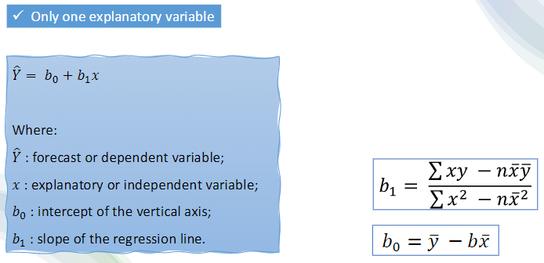
Forecast |  |  |  |  |  |  |  |  | Intercept | 1.49 | 0.084177819821 | 17.65442624 | 2.1205054212E-06 | 1.2801354062 | 1.692086816 | 1.2801354062 | 1.692086816
Option | Forecast |  |  |  |  |  |  | Slope | X Variable 1 | 0.51 | 0.022106178493 | 23.120735738 | 4.2910912102E-07 | 0.45701924097 | 0.56520298125 | 0.45701924097 | 0.56520298125
Opt 1 | 3.02
Opt 2 | 3.53
Opt 3 | 4.04
Opt 3 | 4.55

Wonsorization
Year | Period | D1 - Y1 | D1 - Y2 | D1 - Y3 | D2 - Y1 | D2 - Y2 | D2 - Y3 | Lower limit | Upper limit | T1 | T2 | T2
Y1 | 1 | 17 | 6 | 9 | 17 | 6 | 9 | 0.01 | 0.99 | 4.35 | 16.65 | 70.95
Y1 | 2 | 12 | 11 | 8 | 12 | 11 | 8 | 4.1 | 4.1 | 4.35 | 16.65 | 70.95
Y1 | 3 | 7 | 14 | 5 | 7 | 14 | 5 | 16.7 | 70.9 | 4.35 | 16.65 | 70.95
Y1 | 4 | 5 | 15 | 12 | 5 | 15 | 12 |  |  | 4.35 | 16.65 | 70.95
Y1 | 5 | 4 | 8 | 10 | 4 | 8 | 10 |  |  | 4.35 | 16.65 | 70.95
Y1 | 6 | 9 | 12 | 8 | 9 | 12 | 8 |  |  | 4.35 | 16.65 | 70.95
Y1 | 7 | 13 | 14 | 9 | 13 | 100 | 9 |  |  | 4.35 | 16.65 | 70.95
Y1 | 8 | 14 | 14 | 10 | 14 | 14 | 10 |  |  | 4.35 | 16.65 | 70.95
Y1 | 9 | 11 | 11 | 8 | 11 | 11 | 8 |  |  | 4.35 | 16.65 | 70.95
Y1 | 10 | 11 | 10 | 16 | 11 | 10 | 16 |  |  | 4.35 | 16.65 | 70.95
Y1 | 11 | 10 | 7 | 8 | 10 | 7 | 8 |  |  | 4.35 | 16.65 | 70.95
Y1 | 12 | 12 | 15 | 10 | 12 | 15 | 10 |  |  | 4.35 | 16.65 | 70.95
 |  |  |  |  |  |  |  |  |  | 4.35 | 16.65 | 70.95
 |  |  |  |  |  |  |  |  |  | 4.35 | 16.65 | 70.95
 |  |  |  |  |  |  |  |  |  | 4.35 | 16.65 | 70.95
 |  |  |  |  |  |  |  |  |  | 4.35 | 16.65 | 70.95
 |  |  |  |  |  |  |  |  |  | 4.35 | 16.65 | 70.95
 |  |  |  |  |  |  |  |  |  | 4.35 | 16.65 | 70.95
 |  |  |  |  |  |  |  |  |  | 4.35 | 16.65 | 70.95
 |  |  |  |  |  |  |  |  |  | 4.35 | 16.65 | 70.95
 |  |  |  |  |  |  |  |  |  | 4.35 | 16.65 | 70.95
 |  |  |  |  |  |  |  |  |  | 4.35 | 16.65 | 70.95
 |  |  |  |  |  |  |  |  |  | 4.35 | 16.65 | 70.95
 |  |  |  |  |  |  |  |  |  | 4.35 | 16.65 | 70.95
 |  |  |  |  |  |  |  |  |  | 4.35 | 16.65 | 70.95
 |  |  |  |  |  |  |  |  |  | 4.35 | 16.65 | 70.95
 |  |  |  |  |  |  |  |  |  | 4.35 | 16.65 | 70.95
 |  |  |  |  |  |  |  |  |  | 4.35 | 16.65 | 70.95
 |  |  |  |  |  |  |  |  |  | 4.35 | 16.65 | 70.95
 |  |  |  |  |  |  |  |  |  | 4.35 | 16.65 | 70.95
 |  |  |  |  |  |  |  |  |  | 4.35 | 16.65 | 70.95
 |  |  |  |  |  |  |  |  |  | 4.35 | 16.65 | 70.95
 |  |  |  |  |  |  |  |  |  | 4.35 | 16.65 | 70.95
 |  |  |  |  |  |  |  |  |  | 4.35 | 16.65 | 70.95
 |  |  |  |  |  |  |  |  |  | 4.35 | 16.65 | 70.95
 |  |  |  |  |  |  |  |  |  | 4.35 | 16.65 | 70.95

Parameter Optimization
Date | Demand | Forecast | Level (a) | Trend (b) | Absolute Error | Alpha: | 0.30
1 | 37 |  | 37 | 23 |  | Beta: | 1.00
2 | 60 | 60 | 60 | 23 | - | RMSE | 5.8
3 | 85 | 83 | 84 | 24 | 2 | MAE | 4.3
 | 37
 | 60 | 60
 | 85 | 83
 | 112 | 107
 | 132 | 134
 | 145 | 158
 | 179 | 175
 | 198 | 198
 | 212 | 220
 | 232 | 237
 |  | 254
4 | 112 | 107 | 109 | 25 | 5
5 | 132 | 134 | 133 | 25 | 2
6 | 145 | 158 | 154 | 21 | 13
7 | 179 | 175 | 176 | 22 | 4
8 | 198 | 198 | 198 | 22 | 0
9 | 212 | 220 | 218 | 20 | 8
10 | 232 | 237 | 236 | 18 | 5
11 |  | 254

